Org Structure
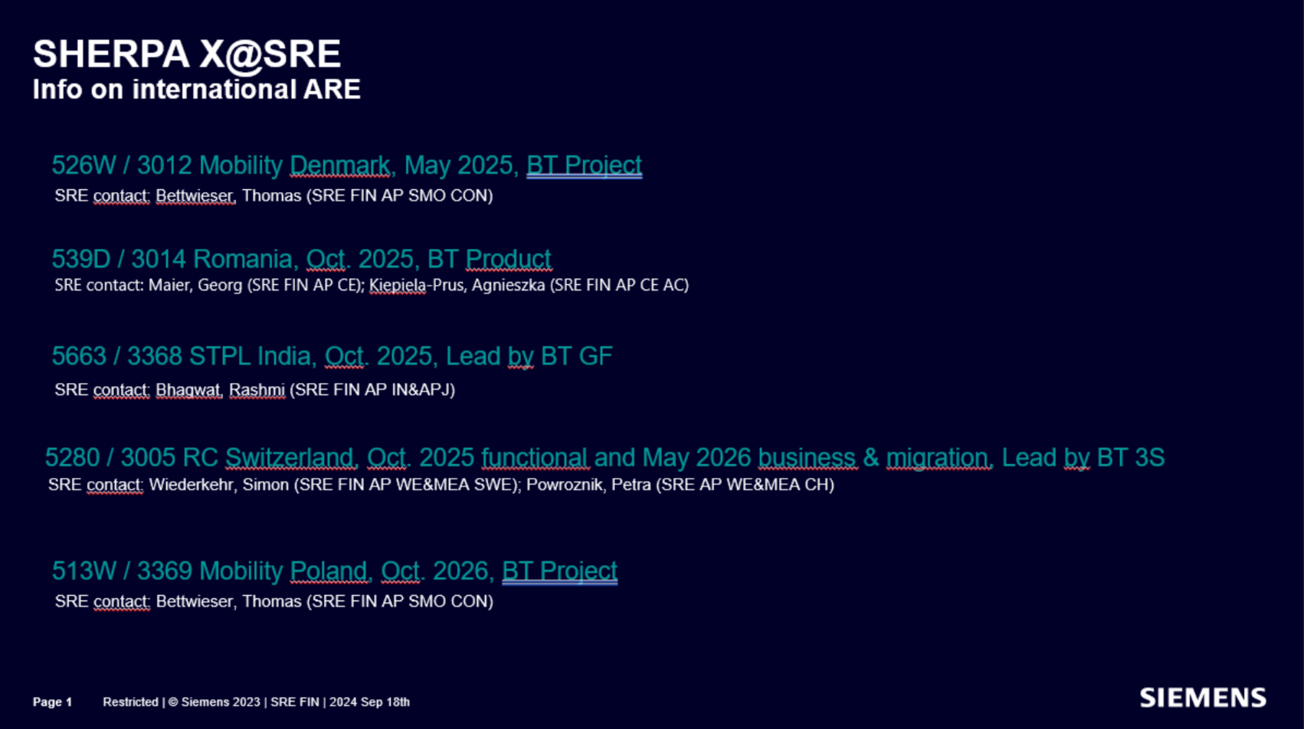
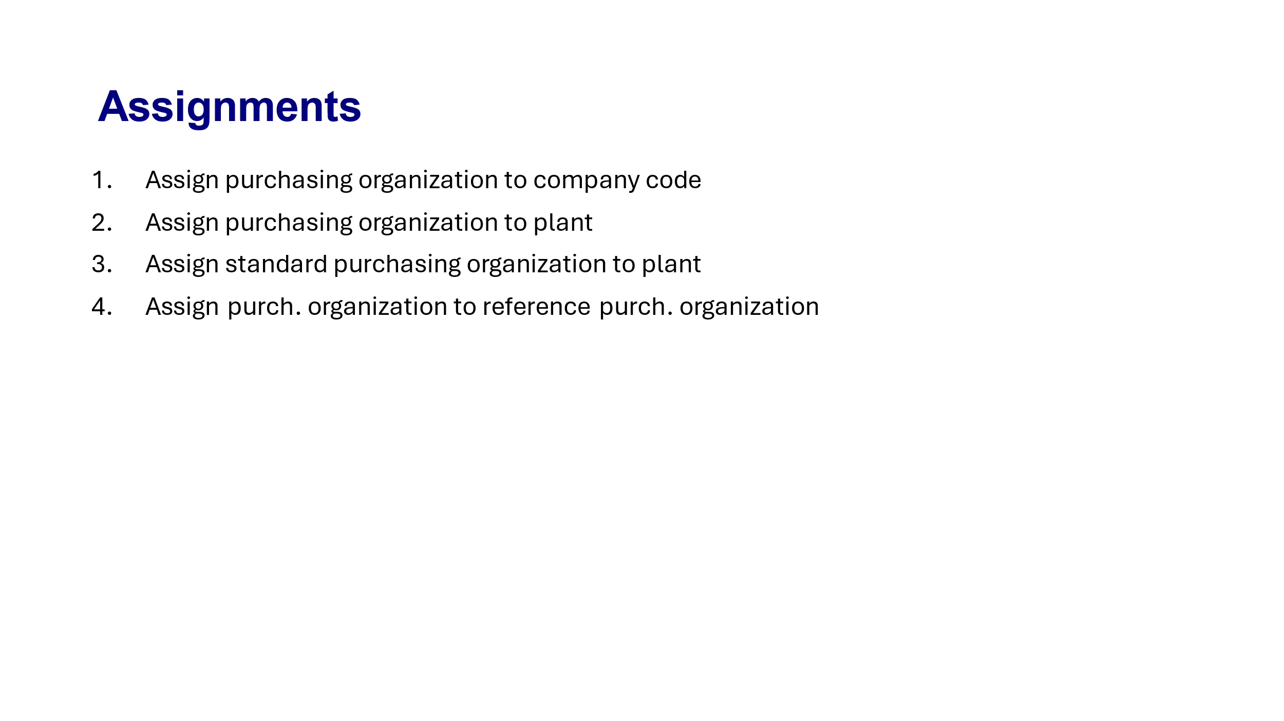
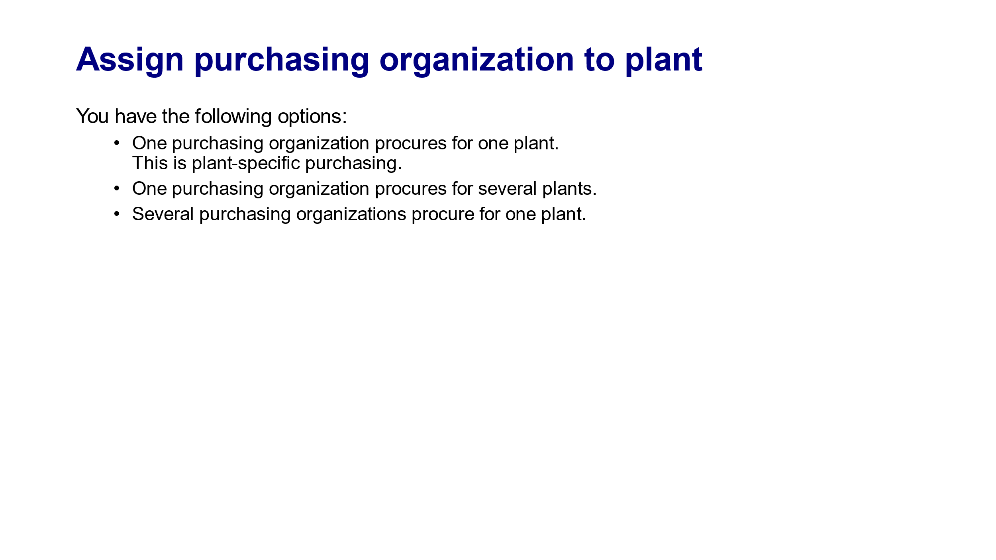
SRE Direct Org Structure
Release | ARE | Company Code (AUN) | Business Type | Company Code Name | Country | Company ID | Plants | Purchasing Organization- Final | SRE Purchasing Groups | Reference /Remarks | Business Contacts | WSI Entity
1410 | 426Q | 3003 | GF | SIB KG | DE | C3 | C300 | C300 | F01, I01,I02,…I14 | Link | Gergana/Tobias | myMall_DE_3003
1420 | 4001 | 3371 | GF | S'Ind.park Karlsr. | DE | CE | CE00 | CE00 | F01, IXX | P.Organizations and functional groups are finalized, but the details for individual P.groups still need to be provided by SRE. Please consult Gergana or Stefenie, and you can use the R1410 template to gather the information. | Gergana/Tobias/Stefanie | myMall_DE_3371
1420 | 442Q | 3372 | GF | SMOREM KG​ | DE | CF | CF00 | CF00 | F01, IXX |  |  | myMall_DE_3372
1420 | 452C | 3373 | GF | IPDG KG​ | DE | CG | CG00 | CG00 | F01, IXX |  |  | myMall_DE_3373
1420 | 5035 | 3384 | GF | Berliner Vermögensverw | DE | CH | CH00 | CH00 | F01, IXX |  |  | myMall_DE_3384
1420 | 523Q | 3385 | GF | Geisenhausener Entw. KG | DE | CI | CI00 | CI00 | F01, IXX |  |  | myMall_DE_3385
1420 | 524Q | 3386 | GF | Moorenbrunn Entw. KG | DE | CJ | CJ00 | CJ00 | F01, IXX |  |  | myMall_DE_3386
1420 | 561C | 3374 | GF | CAPTA Grst Verw GmbH | DE | CK | CK00 | CK00 | F01, IXX |  |  | myMall_DE_3374
1420 | 573K | 3375 | GF | SCE Objekt 3 KG​ | DE | CL | CL00 | CL00 | F01, IXX |  |  | myMall_DE_3375
1420 | 574K | 3376 | GF | SCE Objekt 4 KG​ | DE | CM | CM00 | CM00 | F01, IXX |  |  | myMall_DE_3376
1420 | 575K | 3377 | GF | SCE Objekt 5 KG​ | DE | CN | CN00 | CN00 | F01, IXX |  |  | myMall_DE_3377
1420 | 576K | 3378 | GF | SCE Objekt 6 KG​ | DE | CO | CO00 | CO00 | F01, IXX |  |  | myMall_DE_3378
1420 | 577K | 3379 | GF | SCE Objekt 7 KG​ | DE | CP | CP00 | CP00 | F01, IXX |  |  | myMall_DE_3379
1420 | 578K | 3380 | GF | SCE Verwaltungs GmbH​ | DE | CQ | CQ00 | CQ00 | F01, IXX |  |  | myMall_DE_3380
1420 | 579K | 3381 | GF | SCE Grundstücks KG​ | DE | CR | CR00 | CR00 | F01, IXX |  |  | myMall_DE_3381
1420 | 580K | 3382 | GF | SCE Objekt GmbH | DE | CS | CS00 | CS00 | F01, IXX |  |  | myMall_DE_3382
1420 | 7998 | 7998 | GF | SRE HQ | DE | BY | BY00 | BY00 | B01, B02 | This applies to IndirectX only; please confirm with Gergana to see if it’s also relevant for Direct X. |  | myMall_DE_7998
1420 | 539D | 3014 | Product | Romania | RO | C5 | C502-Sibiu | C501, C5XX | Need to identify | 06.05 : Please review and suggest an SRE-specific P.Org following the SherpaX naming convention, applicable for Sibiu, and update it in column M. Ensure the release strategy aligns with Indirect X and does not conflict. Additionally, conduct an internal review to identify suitable P.Groups (FXX) based on PR and PO release strategies, and propose accordingly. 02.04 : No additional requirement , July carveout is not relevant . 04.03 : Release strategy needs to be checked again based on international ARE Org data. | Maier, Georg, Keipiela-Prus, Agnieszka | myMall_RO_3014
1420 | 5663 | 3368 | GF | STSPL India | IN | CT | CT00, CTXX ( 5 states) | CT01, CTXX | Need to identify | 06.05 :Please review and suggest an SRE-specific P.Org following the SherpaX naming convention, applicable for STSPL India , and update it in column M. Ensure the release strategy aligns with Indirect X and does not conflict. Additionally, conduct an internal review to identify suitable P.Groups (FXX) based on PR and PO release strategies, and propose accordingly. 02.04 :Multiple plants will be there , energy PO Good receipts : Note down all necessary changes required if GR is required. | Rashmi Bhagwat /Sanjeev Mishra/Rajkumar/ | myMall_IN_3368
1610 | 5280 | 3005 | 3S - Service / Solution / System | RC Switzerland | CH | BZ | CH00 | BZ01 ,BZXX | Need to identify | 06.05 :Relevant for later releases , so will not invest more time for these ARE now. |  | myMall_CH_3005
1510 | 576H | 3363 | Software | SISW AB, Solna | SE | C9 | C900 | C900 |  |  |  | myMall_SE_3363
1520 | 513W | 3369 |  | Mobility Poland | PL | Not vailable |  | #N/A00 |  |  |  | myMall_PL_3369

Sheet2
